Welcome
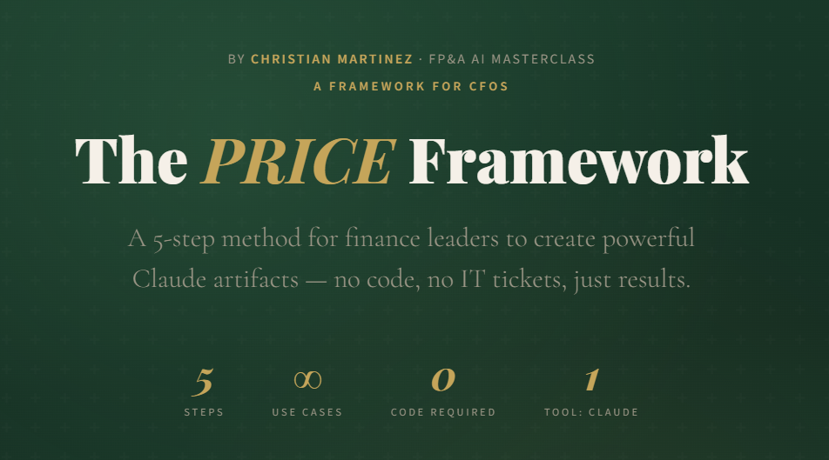
AI-Powered FP&A Mini Apps Masterclass |  |  | Video Guide | Interactive Guide
Building Practical AI Tools for Finance with Claude
by Christian Martinez

HOW TO USE THIS WORKBOOK

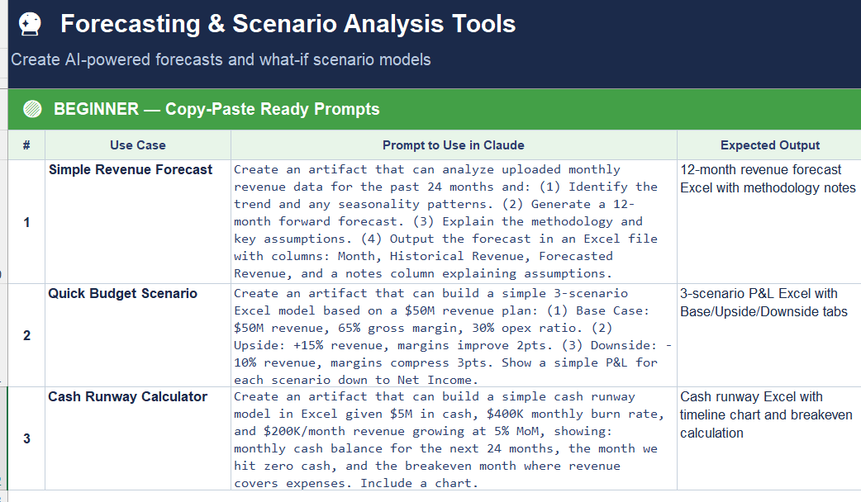
1. | Navigate the Tabs | Each tab covers one AI mini-app use case. Tabs are ordered from simplest to most advanced.
2. | Pick Your Level | Each tab has Beginner → Intermediate → Advanced prompts. Start where you're comfortable.
3. | Copy & Paste Prompts | Copy any prompt directly into Claude (claude.ai). Customize the bracketed [placeholders] with your data.
4 | Iterate & Refine | Treat prompts as starting points. Ask Claude follow-up questions to refine outputs.

WHAT'S IN EACH TAB

Tab 1: PDF → Excel |  | Extract financial data from PDFs into clean, structured spreadsheets
Tab 2: FP&A Dashboards |  | Build AI-powered dashboards with automated commentary and insights
Tab 3: Forecasting & Scenarios |  | Generate forecasts and run what-if scenario models with AI assistance
Tab 4: Excel Consolidation |  | Automate multi-file consolidation for reporting and month-end close

SKILL LEVEL GUIDE

🟢 Beginner |  | Simple, single-step prompts. Copy-paste ready. No file uploads required.
🟡 Intermediate |  | Multi-step workflows. May require uploading files. Produces structured outputs.
🔴 Advanced |  | Complex, multi-turn conversations. Builds full mini-apps. Requires iteration.

Prerequisite: A paid Claude account is recommended (claude.ai/pricing). Free accounts have limited message capacity.

Full Example
